Sheet1
甘肃统一身份认证平台--sprint2质量内建说明
sprint周期 | sprint2 | 2017年9月18日-2017年10月01日

内容 | 说明 | 结果
单元测试 | 本周主要升级可视化流程提交、审核、退回功能 | 单元测试覆盖率36.5%
冒烟测试 | 冒烟测试发现缺陷已录入QC | 共录入105个缺陷，新建5个，已修正100个
代码走查 | FindBugs扫描 | 7个问题，全部修正
集成部署
代码行数 | sourcecounter扫描
本sprint工作 | 平台功能开发、单元测试、冒烟测试

单元测试
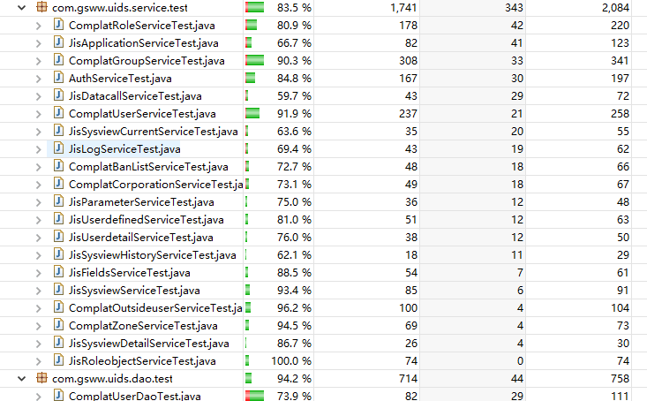

代码行数

冒烟测试

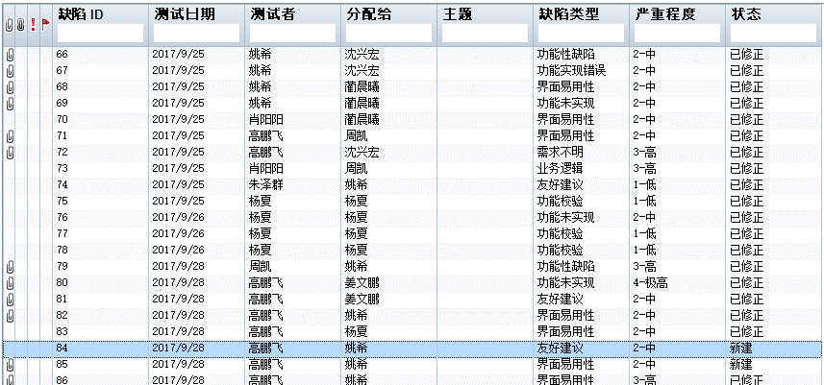

代码走查
代码走查记录表
序号 | 问题 | 文件路径 (含路径的文件名) | 责任人 | 状态 | 检查时间
1 | A dead store happens when a local variable is assigned a value, including null, that is not read by any subsequent instruction. Calculating or retrieving a value only to then overwrite it or throw it away, could indicate a serious error in the code. Even if it's not an error, it is at best a waste of resources. Even assigning null to a variable is a dead store if the variable is not subsequently used. Assigning null as a hint to the garbage collector used to be common practice, but is no longer needed and such code should be eliminated. | Projects/uids-web/src/main/java/com/gsww/uids/controller/ComplatGroupController.java | 蔺晨曦 | 已修改 | 2017-10-12
2 | Using return, break, throw, and so on from a finally block suppresses the propagation of any unhandled Throwable which was thrown in the try or catch block. This rule raises an issue when a jump statement (break, continue, return, throw, and goto) would force control flow to leave a finally block. | Projects/uids-web/src/main/java/com/gsww/uids/controller/ComplatOutsideuserController.java | 杨夏 | 已修改 | 2017-10-12
3 | Using return, break, throw, and so on from a finally block suppresses the propagation of any unhandled Throwable which was thrown in the try or catch block. This rule raises an issue when a jump statement (break, continue, return, throw, and goto) would force control flow to leave a finally block. | Projects/uids-web/src/main/java/com/gsww/uids/controller/ComplatRoleController.java | 周凯 | 已修改 | 2017-10-12
4 | A dead store happens when a local variable is assigned a value, including null, that is not read by any subsequent instruction. Calculating or retrieving a value only to then overwrite it or throw it away, could indicate a serious error in the code. Even if it's not an error, it is at best a waste of resources. Even assigning null to a variable is a dead store if the variable is not subsequently used. Assigning null as a hint to the garbage collector used to be common practice, but is no longer needed and such code should be eliminated. | Projects/uids-web/src/main/java/com/gsww/uids/controller/ComplatUserController.java | 张磊 | 已修改 | 2017-10-12
5 | Conditional expressions which are always true or false can lead to dead code. Such code is always buggy and should never be used in production. | Projects/uids-web/src/main/java/com/gsww/uids/controller/JisApplicationController.java | 姜文鹏 | 已修改 | 2017-10-12
6 | There is no reason to re-assign a variable to itself. Either this statement is redundant and should be removed, or the re-assignment is a mistake and some other value or variable was intended for the assignment instead. | Projects/uids-web/src/main/java/com/gsww/uids/entity/CountUser.java | 姚希 | 已修改 | 2017-10-12
7 | Using return, break, throw, and so on from a finally block suppresses the propagation of any unhandled Throwable which was thrown in the try or catch block. This rule raises an issue when a jump statement (break, continue, return, throw, and goto) would force control flow to leave a finally block. | Projects/uids-web/src/main/java/com/gsww/uids/controller/ComplatCorporationController.java | 杨夏 | 已修改 | 2017-10-12

